Mercury
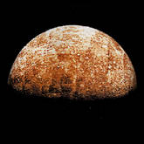

 | Mercury
Enter your weight in pounds |  | Your weight on Mercury
 |  | 0

 |  | Back to the Introduction

Venus
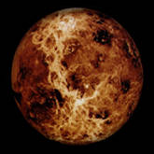

 | Venus
Enter your weight in pounds |  | Your weight on Venus
 |  | 0

 |  | Back to the Introduction

Earth
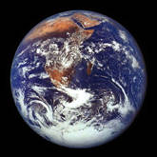

 | Earth
Enter your weight in pounds |  | Your weight on Earth
 |  | 0

 |  | Back to the Introduction

Mars
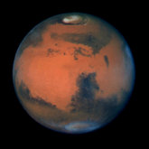

 | Mars
Enter your weight in pounds |  | Your weight on Mars
 |  | 0

 |  | Back to the Introduction

Jupiter
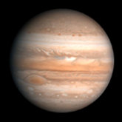

 | Jupiter
Enter your weight in pounds |  | Your weight on Jupiter
 |  | 0

 |  | Back to the Introduction

Saturn
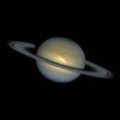

 | Saturn
Enter your weight in pounds |  | Your weight on Saturn
 |  | 0

 |  | Back to the Introduction

Uranus
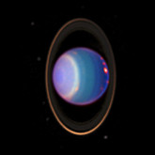

 | Uranus
Enter your weight in pounds |  | Your weight on Uranus
 |  | 0

 |  | Back to the Introduction

Neptune
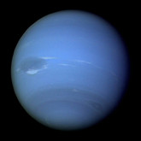

 | Neptune
Enter your weight in pounds |  |  | Your weight on Neptune
 |  |  | 0

 |  | Back to the Introduction

Pluto
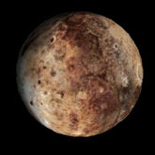

 | Pluto
Enter your weight in pounds |  |  | Your weight on Pluto
 |  |  | 0

 |  | Back to the Introduction

